Sheet1
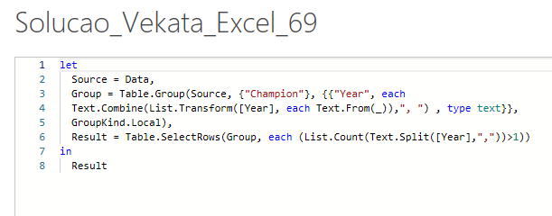
Year | Champion | Answer Expected
1930 | Uruguay | Champion | Times Won
1934 | Italy | Italy | 1934, 1938
1938 | Italy | Brazil | 1958, 1962, 1966, 1970
1950 | Uruguay | Brazil | 1994, 1998, 2002
List teams who have won FIFA world cup consecutively and years of their consecutive winnings.
Note - I have changed 1966 winner to Brazil from England and 1998 winner to Brazil from France
1954 | West Germany
1958 | Brazil
1962 | Brazil
1966 | Brazil
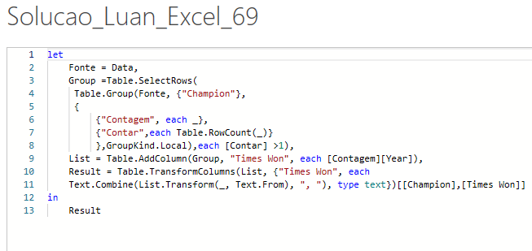
1970 | Brazil
1974 | West Germany
1978 | Argentina
1982 | Italy
1986 | Argentina
1990 | West Germany
1994 | Brazil
1998 | Brazil
2002 | Brazil
2006 | Italy
2010 | Spain
2014 | Germany
2018 | France

